Lab2
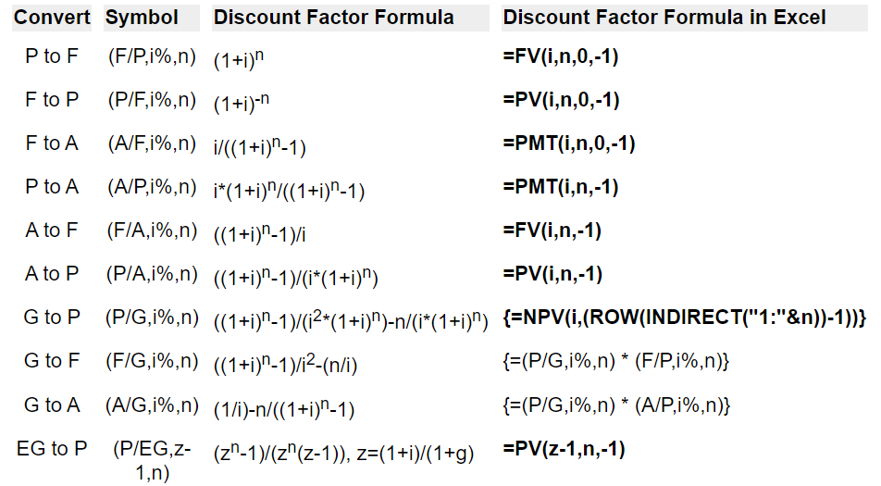
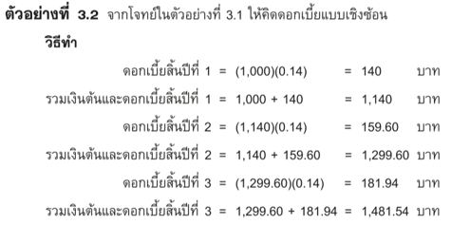
n | P | i | Pi
1
2
3

Lab3
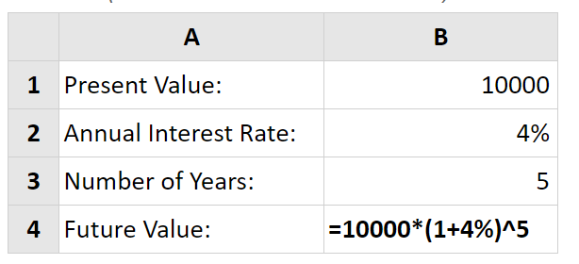
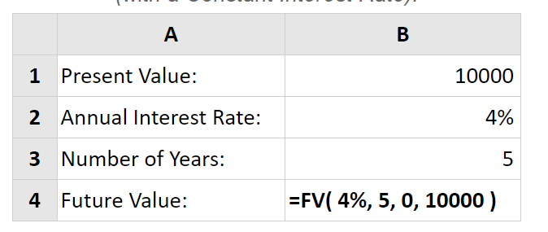
 | Present Value: | 1000
2 | Annual Interest Rate: | 14%
3 | Number of Years: | 3
4 | Future Value:

Lab4
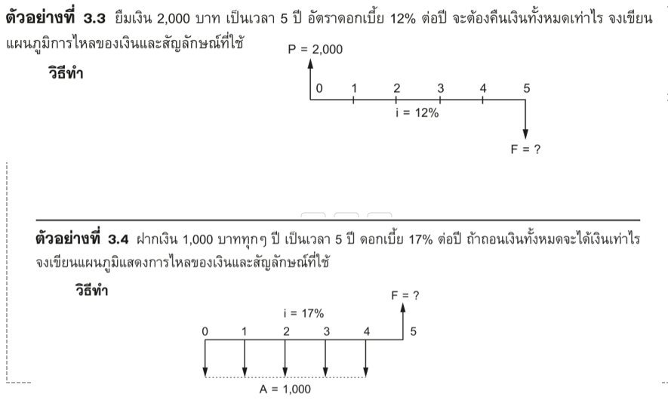
P | i | n | F

 |  |  |  | https://engmohannadb.github.io/etccourse21/inner-page/U2-L3.html
F | i | n | P

Lab5
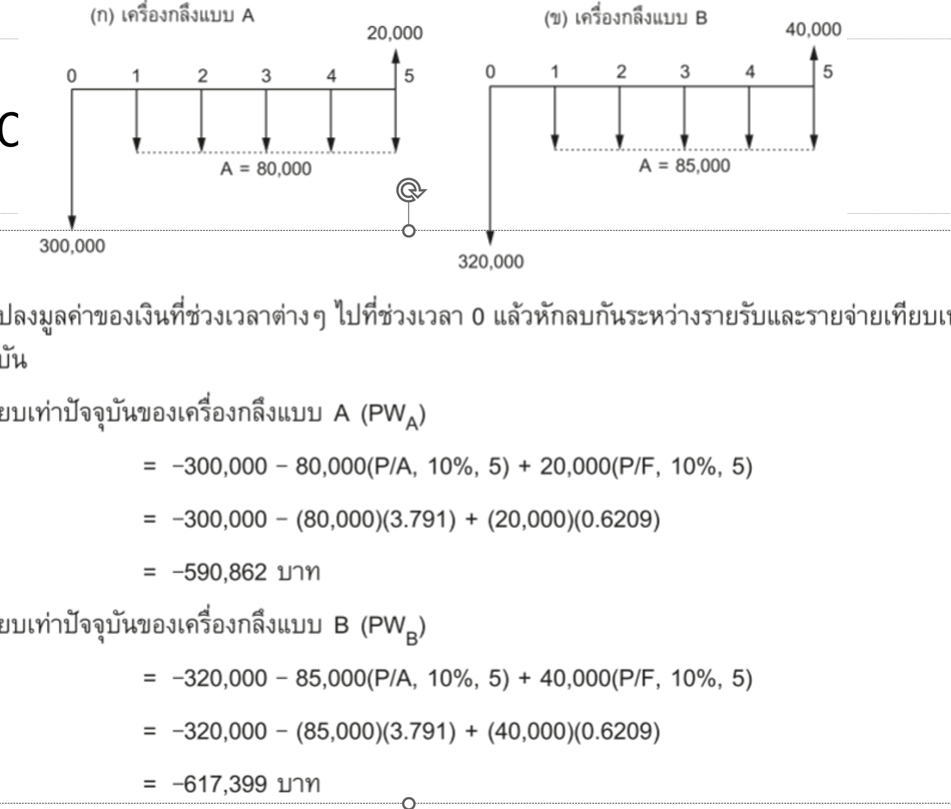
P | i | n | F

F | i | n | P

Lab6
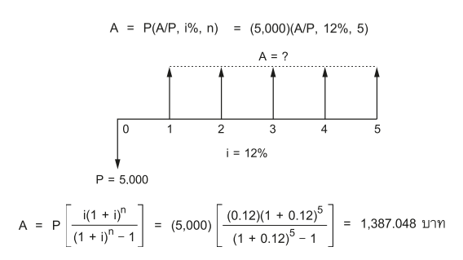
P | i | n | A

A | i | n | P

Lab7
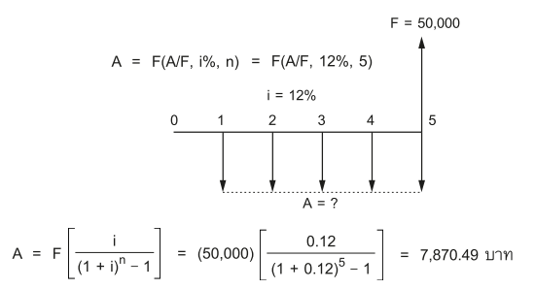
F | i | n | A

A | i | n | F

Lab8
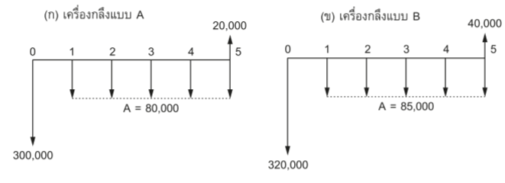
 |  |  |  |  |  | 20000
i | 0 | 1 | 2 | 3 | 4 | 5
10% | -300,000 | -80,000 | -80,000 | -80,000 | -80,000 | -80,000

NPV

 |  |  |  |  |  | 40000
i | 0 | 1 | 2 | 3 | 4 | 5
10% | -320,000 | -85,000 | -85,000 | -85,000 | -85,000 | -85,000

NPV

